JU'STO BAGS
JU'STO BAGS
PHOTO | MODEL | COL | COL2 | QTY | RETAIL | TOTAL | DESCR | TOTAL COLIS | DIM | FRONT1 | FRONT2 | INSIDE COL | HANDLE COL | SHOULDER STRAP COL
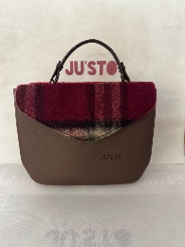 | SOLE | MARRONE | TARTAN BORDEAUX | 24 | 149.00 € | 3,576.00 € | BAG | BAG | BAG | TARTAN BORDEAUX | LANA BOUCLE BORDEAUX | BAG | BAG | BAG
 | SOLE | MARRONE | TARTAN BORDEAUX | 56 | 149.00 € | 8,344.00 € | BAG | BAG | BAG | TARTAN BORDEAUX | LANA BOUCLE BORDEAUX | BAG | BAG | BAG
 | SOLE | MARRONE | TARTAN BORDEAUX | 56 | 149.00 € | 8,344.00 € | BAG | BAG | BAG | TARTAN BORDEAUX | LANA BOUCLE BORDEAUX | BAG | BAG | BAG
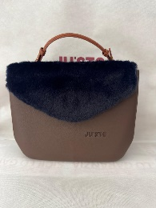 | SOLE | MARRONE | PELLICCIA BLU | 48 | 149.00 € | 7,152.00 € | BAG | BAG | BAG | PELLICCIA BLU | LANA BOUCLE BLU | BAG | BAG | BAG
 | SOLE | MARRONE | PELLICCIA BLU | 56 | 149.00 € | 8,344.00 € | BAG | BAG | BAG | PELLICCIA BLU | LANA BOUCLE BLU | BAG | BAG | BAG
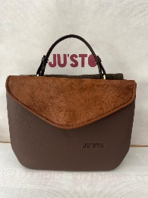 | SOLE | MARRONE | CAVALLINO MARRONE | 48 | 149.00 € | 7,152.00 € | BAG | BAG | BAG | CAVALLINO MARRONE | LANA BOUCLE VERDE | BAG | BAG | BAG
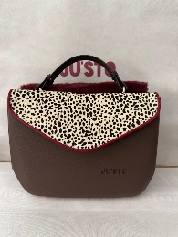 | SOLE | MARRONE | CAVALLINO BAMBI | 48 | 149.00 € | 7,152.00 € | BAG | BAG | BAG | CAVALLINO BAMBI | PELLICCIA BORDEAUX | BAG | BAG | BAG
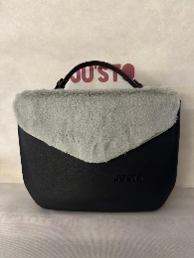 | SOLE | NERO | PELLICCIA GRIGIA | 48 | 149.00 € | 7,152.00 € | BAG | BAG | BAG | PELLICCIA GRIGIA | LANA BOUCLE NERA | BAG | BAG | BAG
 | SOLE | NERO | PELLICCIA GRIGIA | 48 | 149.00 € | 7,152.00 € | BAG | BAG | BAG | PELLICCIA GRIGIA | LANA BOUCLE NERA | BAG | BAG | BAG
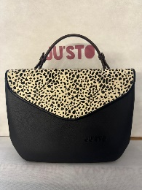 | SOLE | NERO | CAVALLINO BAMBI | 48 | 149.00 € | 7,152.00 € | BAG | BAG | BAG | CAVALLINO BAMBI | TRAPUNTATO NERO | BAG | BAG | BAG
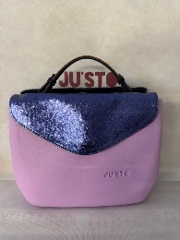 | SOLE | VIOLETTO | LAMINATO BLU | 24 | 149.00 € | 3,576.00 € | BAG | BAG | BAG | LAMINATO BLU | PELLICCIA BLU | BAG | BAG | BAG
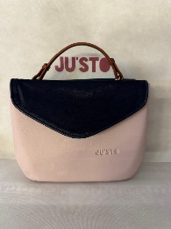 | SOLE | ROSA | CAVALLINO BLU | 48 | 149.00 € | 7,152.00 € | BAG | BAG | BAG | CAVALLINO BLU | LANA PETROLIO | BAG | BAG | BAG
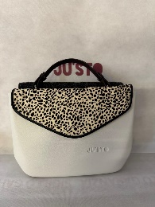 | SOLE | BIANCO | CAVALLINO BAMBI | 48 | 149.00 € | 7,152.00 € | BAG | BAG | BAG | CAVALLINO BAMBI | LANA BOUCLE NERA | BAG | BAG | BAG
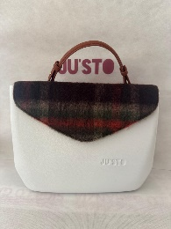 | SOLE | BIANCO | TARTAN VERDE | 24 | 149.00 € | 3,576.00 € | BAG | BAG | BAG | TARTAN VERDE | LANA BOUCLE BORDEAUX | BAG | BAG | BAG
 | SOLE | BIANCO | TARTAN VERDE | 24 | 149.00 € | 3,576.00 € | BAG | BAG | BAG | TARTAN VERDE | BOTANICA VERDE | BAG | BAG | BAG
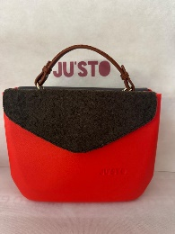 | SOLE | ARANCIO | LANA BOUCLE VERDE | 48 | 149.00 € | 7,152.00 € | BAG | BAG | BAG | LANA BOUCLE VERDE | NAPPA NERA PLACCA | BAG | BAG | BAG
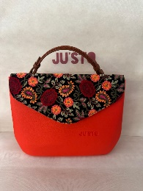 | SOLE | ARANCIO | RICAMO FIORI | 24 | 149.00 € | 3,576.00 € | BAG | BAG | BAG | RICAMO FIORI | CAVALLINO ARANCIO | BAG | BAG | BAG
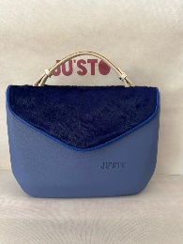 | SOLE | CELESTE | CAVALLINO BLU ELETTRICO | 48 | 149.00 € | 7,152.00 € | BAG | BAG | BAG | CAVALLINO BLU ELETTRICO | LANA BOUCLE BLU | BAG | BAG | BAG
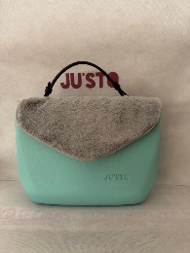 | SOLE | TURCHESE | PELLICCIA GRIGIA | 48 | 149.00 € | 7,152.00 € | BAG | BAG | BAG | PELLICCIA GRIGIA | LANA PETROLIO | BAG | BAG | BAG
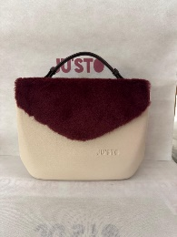 | SOLE | AVORIO | PELLICCIA BORDEAUX | 48 | 149.00 € | 7,152.00 € | BAG | BAG | BAG | PELLICCIA BORDEAUX | TARTAN BORDEAUX | BAG | BAG | BAG
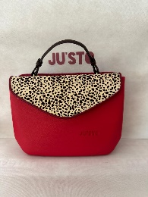 | SOLE | ROSSO | CAVALLINO BAMBI | 48 | 149.00 € | 7,152.00 € | BAG | BAG | BAG | CAVALLINO BAMBI | LANA BORDEAUX | BAG | BAG | BAG
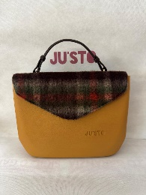 | SOLE | SENAPE | TARTAN VERDE | 24 | 149.00 € | 3,576.00 € | BAG | BAG | BAG | TARTAN VERDE | ECOPELLE PLACCA VERDE | BAG | BAG | BAG
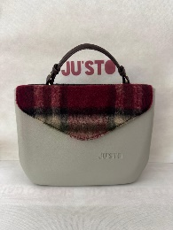 | SOLE | GRIGIO | TARTAN VERDE | 48 | 149.00 € | 7,152.00 € | BAG | BAG | BAG | TARTAN VERDE | TRAPUNTATO NERO | BAG | BAG | BAG
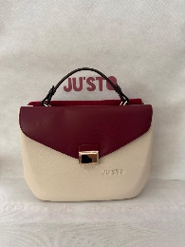 | SOLE | AVORIO | ECOPELLE PLACCA BORDEAUX | 24 | 149.00 € | 3,576.00 € | BAG | BAG | BAG | ECOPELLE PLACCA BORDEAUX | LANA BOUCLE BORDEAUX | BAG | BAG | BAG
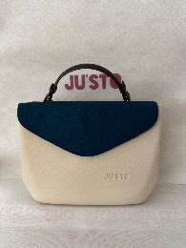 | SOLE | AVORIO | LANA PETROLIO | 24 | 149.00 € | 3,576.00 € | BAG | BAG | BAG | LANA PETROLIO | ECOPELLE MARRONE | BAG | BAG | BAG
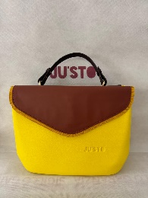 | SOLE | GIALLO | ECOPELLE FRANGE GIALLE | 12 | 149.00 € | 1,788.00 € | BAG | BAG | BAG | ECOPELLE FRANGE GIALLE | ECOPELLE PLACCA BRUCIATO | BAG | BAG | BAG
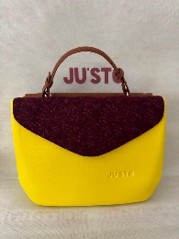 | SOLE | GIALLO | BOTANICA BORDEAUX | 12 | 149.00 € | 1,788.00 € | BAG | BAG | BAG | BOTANICA BORDEAUX | ECODOLLARO MARRONE | BAG | BAG | BAG
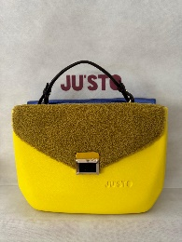 | SOLE | GIALLO | LANA GIALLA PLACCA | 12 | 149.00 € | 1,788.00 € | BAG | BAG | BAG | LANA GIALLA PLACCA | ECOPELLE BLU ELETTRICO | BAG | BAG | BAG
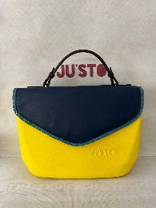 | SOLE | GIALLO | ECOPELLE FRANGE BLU | 12 | 149.00 € | 1,788.00 € | BAG | BAG | BAG | ECOPELLE FRANGE BLU | PELLICCIA BLU | BAG | BAG | BAG
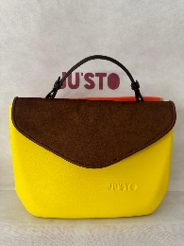 | SOLE | GIALLO | CAVALLINO BEIGE | 12 | 149.00 € | 1,788.00 € | BAG | BAG | BAG | CAVALLINO BEIGE | ECOPELLE FRANGE ARANCIO | BAG | BAG | BAG
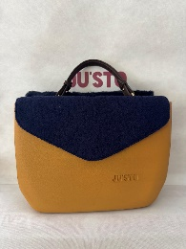 | SOLE | SENAPE | LANA BOUCLE BLU | 12 | 149.00 € | 1,788.00 € | BAG | BAG | BAG | LANA BOUCLE BLU | CAVALLINO BLU | BAG | BAG | BAG
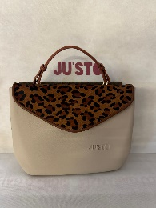 | SOLE | BEIGE | CAVALLINO MACULATO | 48 | 149.00 € | 7,152.00 € | BAG | BAG | BAG | CAVALLINO MACULATO | LANA BOUCLE VERDE | BAG | BAG | BAG
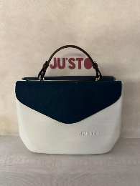 | SOLE | BIANCO | LANA PETROLIO | 48 | 149.00 € | 7,152.00 € | BAG | BAG | BAG | LANA PETROLIO | ECOPELLE FRANGE BLU | BAG | BAG | BAG
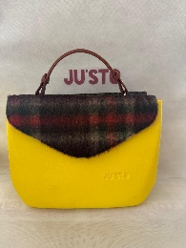 | SOLE | GIALLO | TARTAN VERDE | 24 | 149.00 € | 3,576.00 € | BAG | BAG | BAG | TARTAN VERDE | BOTANICO NERO | BAG | BAG | BAG
 | SOLE | GIALLO | TARTAN VERDE | 24 | 149.00 € | 3,576.00 € | BAG | BAG | BAG | TARTAN VERDE | CAVALLINO MACULATO VERDE | BAG | BAG | BAG
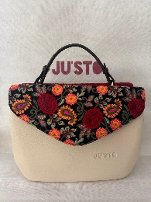 | SOLE | AVORIO | RICAMO FIORI | 24 | 149.00 € | 3,576.00 € | BAG | BAG | BAG | RICAMO FIORI | LANA BOUCLE BORDEAUX | BAG | BAG | BAG
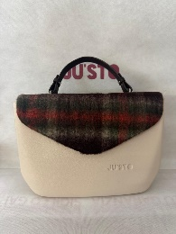 | SOLE | AVORIO | TARTAN VERDE | 24 | 149.00 € | 3,576.00 € | BAG | BAG | BAG | TARTAN VERDE | ECOPELLE VERDE | BAG | BAG | BAG
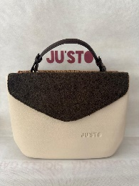 | SOLE | AVORIO | LANA BOUCLE VERDE | 24 | 149.00 € | 3,576.00 € | BAG | BAG | BAG | LANA BOUCLE VERDE | RATTAN MARRONE | BAG | BAG | BAG
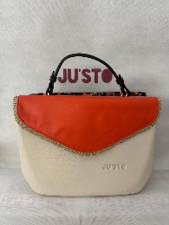 | SOLE | AVORIO | ECOPELLE FRANGE AVORIO | 24 | 149.00 € | 3,576.00 € | BAG | BAG | BAG | ECOPELLE FRANGE AVORIO | RICAMO FIORI | BAG | BAG | BAG
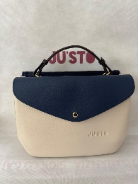 | SOLE | AVORIO | ECOPELLE BLU | 24 | 149.00 € | 3,576.00 € | BAG | BAG | BAG | ECOPELLE BLU | CAVALLINO BLU | BAG | BAG | BAG
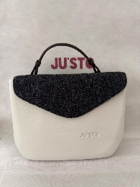 | SOLE | BIANCO | LANA BOUCLE NERA | 12 | 149.00 € | 1,788.00 € | BAG | BAG | BAG | LANA BOUCLE NERA | STADS ARGENTO | BAG | BAG | BAG
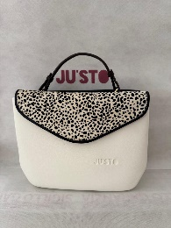 | SOLE | BIANCO | CAVALLINO BAMBI | 12 | 149.00 € | 1,788.00 € | BAG | BAG | BAG | CAVALLINO BAMBI | ECODOLLARO NERO | BAG | BAG | BAG
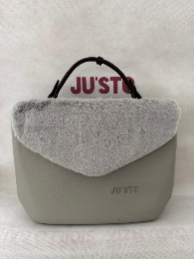 | SOLE | GRIGIO | PELLICCIA GRIGIA | 12 | 149.00 € | 1,788.00 € | BAG | BAG | BAG | PELLICCIA GRIGIA | LANA BOTANICA NERA | BAG | BAG | BAG
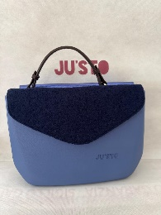 | SOLE | CELESTE | LANA BOUCLE BLU | 12 | 149.00 € | 1,788.00 € | BAG | BAG | BAG | LANA BOUCLE BLU | LAMINATO BLU | BAG | BAG | BAG
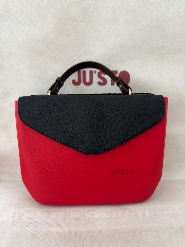 | SOLE | ROSSO | ECOPELLE NERA | 12 | 149.00 € | 1,788.00 € | BAG | BAG | BAG | ECOPELLE NERA | ECOPELLE PLACCA NERA | BAG | BAG | BAG
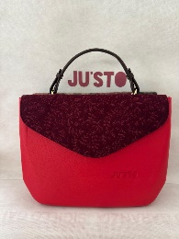 | SOLE | ROSSO | LANA BOTANICA BORDEAUX | 12 | 149.00 € | 1,788.00 € | BAG | BAG | BAG | LANA BOTANICA BORDEAUX | TARTAN BORDEAUX | BAG | BAG | BAG
 | SOLE | MIX/PE | MIX/PE | 400 | 149.00 € | 59,600.00 € | BAG | BAG | BAG | MIX/PE | MIX/PE | BAG | BAG | BAG
 | TINY | MARRONE | BAG | 60 | 129.00 € | 7,740.00 € | BAG | BAG | BAG | BAG | BAG | ECOPELLICCIA MARRONE | MARRONE | MARRONE
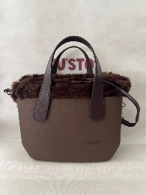 | TINY | MARRONE | BAG | 61 | 129.00 € | 7,869.00 € | BAG | BAG | BAG | BAG | BAG | ECOPELLICCIA MARRONE | MARRONE | MARRONE
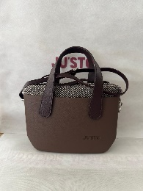 | TINY | MARRONE | BAG | 54 | 129.00 € | 6,966.00 € | BAG | BAG | BAG | BAG | BAG | MARRONE | MARRONE | MARRONE
 | TINY | MARRONE | BAG | 71 | 129.00 € | 9,159.00 € | BAG | BAG | BAG | BAG | BAG | MARRONE | MARRONE | MARRONE
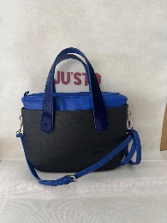 | TINY | NERO | BAG | 30 | 129.00 € | 3,870.00 € | BAG | BAG | BAG | BAG | BAG | ECOPELLE BLU ELETTRICO | CAVALLINO BLU | BLU ELETTRICO
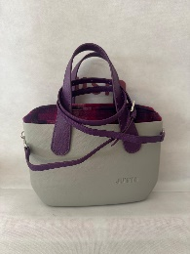 | TINY | GRIGIO | BAG | 70 | 129.00 € | 9,030.00 € | BAG | BAG | BAG | BAG | BAG | PIXEL VIOLA | VIOLA | VIOLA
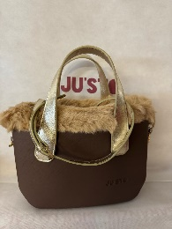 | TINY | MARRONE | BAG | 70 | 129.00 € | 9,030.00 € | BAG | BAG | BAG | BAG | BAG | PELLICCIA BEIGE | ORO | ORO
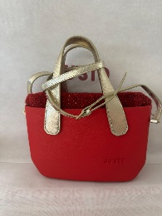 | TINY | ROSSO | BAG | 30 | 129.00 € | 3,870.00 € | BAG | BAG | BAG | BAG | BAG | MELANGE ROSSO | ORO | ORO
 | TINY | ROSSO | BAG | 54 | 129.00 € | 6,966.00 € | BAG | BAG | BAG | BAG | BAG | MELANGE ROSSO | ORO | ORO
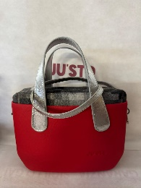 | TINY | ROSSO | BAG | 38 | 129.00 € | 4,902.00 € | BAG | BAG | BAG | BAG | BAG | PIXEL GRIGIO | ARGENTO | ARGENTO
 | TINY | NERO | BAG | 60 | 129.00 € | 7,740.00 € | BAG | BAG | BAG | BAG | BAG | PELLICCIA NERA | JUSTO | JUSTO
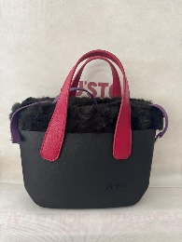 | TINY | NERO | BAG | 60 | 129.00 € | 7,740.00 € | BAG | BAG | BAG | BAG | BAG | PELLICCIA NERA | JUSTO | JUSTO
 | TINY | GIALLO | BAG | 48 | 129.00 € | 6,192.00 € | BAG | BAG | BAG | BAG | BAG | PIXEL MARRONE | MARRONE | MARRONE
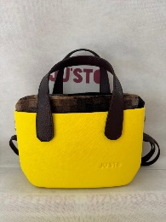 | TINY | GIALLO | BAG | 48 | 129.00 € | 6,192.00 € | BAG | BAG | BAG | BAG | BAG | PIXEL MARRONE | MARRONE | MARRONE
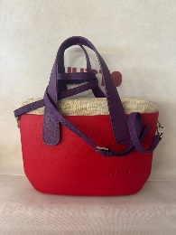 | TINY | ROSSO | BAG | 46 | 129.00 € | 5,934.00 € | BAG | BAG | BAG | BAG | BAG | LUREX | VIOLA | VIOLA
 | TINY | BLU | BAG | 48 | 129.00 € | 6,192.00 € | BAG | BAG | BAG | BAG | BAG | PELLICCIA BLU | ARGENTO | ARGENTO
 | TINY | BLU | BAG | 66 | 129.00 € | 8,514.00 € | BAG | BAG | BAG | BAG | BAG | DENIM | FRANGE NERO | ARGENTO
 | TINY | ARANCIO | BAG | 30 | 129.00 € | 3,870.00 € | BAG | BAG | BAG | BAG | BAG | CAMUFLAGE | VERDE | ORO
 | TINY | ARANCIO | BAG | 54 | 129.00 € | 6,966.00 € | BAG | BAG | BAG | BAG | BAG | CAMUFLAGE | VERDE | ORO
 | TINY | BIANCO | BAG | 54 | 129.00 € | 6,966.00 € | BAG | BAG | BAG | BAG | BAG | PELLICCIA MACULATA | MARRONE | MARRONE
 | TINY | BIANCO | BAG | 54 | 129.00 € | 6,966.00 € | BAG | BAG | BAG | BAG | BAG | ECOPELLE ROSSO | ARGENTO | PELLICCIA ARGENTO
 | TINY | NERO | BAG | 51 | 129.00 € | 6,579.00 € | BAG | BAG | BAG | BAG | BAG | VELLUTO NERO | ARGENTO | PELLICCIA ARGENTO
 | TINY | CELESTE | BAG | 30 | 129.00 € | 3,870.00 € | BAG | BAG | BAG | BAG | BAG | LUREX | FRANGE BLU | PELLICCIA BLU
 | TINY | NERO | BAG | 30 | 129.00 € | 3,870.00 € | BAG | BAG | BAG | BAG | BAG | LANA NERA | ORO | PELLICCIA NERA
 | TINY | NERO | BAG | 30 | 129.00 € | 3,870.00 € | BAG | BAG | BAG | BAG | BAG | LANA NERA | ORO | PELLICCIA NERA
 | TINY | NERO | BAG | 30 | 129.00 € | 3,870.00 € | BAG | BAG | BAG | BAG | BAG | LANA NERA | ORO | PELLICCIA NERA
 | TINY | CELESTE | BAG | 30 | 129.00 € | 3,870.00 € | BAG | BAG | BAG | BAG | BAG | LUREX | FRANGE BLU | PELLICCIA BLU
 | TINY | CELESTE | BAG | 30 | 129.00 € | 3,870.00 € | BAG | BAG | BAG | BAG | BAG | PIXEL BLU | ARGENTO | ECOPELLICCIA BLI
 | TINY | CELESTE | BAG | 30 | 129.00 € | 3,870.00 € | BAG | BAG | BAG | BAG | BAG | PIXEL BLU | ARGENTO | ECOPELLICCIA BLI
 | TINY | ARANCIO | BAG | 30 | 129.00 € | 3,870.00 € | BAG | BAG | BAG | BAG | BAG | MELANGE BEIGE | MARRONE | MARRONE
 | TINY | ARANCIO | BAG | 30 | 129.00 € | 3,870.00 € | BAG | BAG | BAG | BAG | BAG | MELANGE BEIGE | MARRONE | MARRONE
 | TINY | GIALLO | BAG | 30 | 129.00 € | 3,870.00 € | BAG | BAG | BAG | BAG | BAG | ECOPELLE MARRONE | FRANGE GIALLE | MARRONE
 | TINY | GIALLO | BAG | 30 | 129.00 € | 3,870.00 € | BAG | BAG | BAG | BAG | BAG | ECOPELLE MARRONE | FRANGE GIALLE | MARRONE
 | TINY | BLU | BAG | 30 | 129.00 € | 3,870.00 € | BAG | BAG | BAG | BAG | BAG | ECOPELLE BLU ELETTRICO | FRANGE BLU | PELLICCIA BLI
 | TINY | BLU | BAG | 30 | 129.00 € | 3,870.00 € | BAG | BAG | BAG | BAG | BAG | ECOPELLE BLU ELETTRICO | FRANGE BLU | PELLICCIA BLI
 | TINY | VIOLETTO | BAG | 30 | 129.00 € | 3,870.00 € | BAG | BAG | BAG | BAG | BAG | PELLICCIA MACULATA | LILLA | VIOLA
 | TINY | VIOLETTO | BAG | 30 | 129.00 € | 3,870.00 € | BAG | BAG | BAG | BAG | BAG | PELLICCIA MACULATA | LILLA | VIOLA
 | TINY | VIOLETTO | BAG | 30 | 129.00 € | 3,870.00 € | BAG | BAG | BAG | BAG | BAG | MELANGE ROSSO | CAVALLINO ROSSO | PELLICCIA ROSSA
 | TINY | VIOLETTO | BAG | 30 | 129.00 € | 3,870.00 € | BAG | BAG | BAG | BAG | BAG | MELANGE ROSSO | CAVALLINO ROSSO | PELLICCIA ROSSA
 | TINY | NERO | BAG | 30 | 129.00 € | 3,870.00 € | BAG | BAG | BAG | BAG | BAG | ECOPELLE NERA | CRISTAL | ARGENTO
 | TINY | NERO | BAG | 30 | 129.00 € | 3,870.00 € | BAG | BAG | BAG | BAG | BAG | ECOPELLE NERA | CRISTAL | ARGENTO
 | TINY | NERO | BAG | 30 | 129.00 € | 3,870.00 € | BAG | BAG | BAG | BAG | BAG | VELLUTO ROSSO | JUSTO | JUSTO
 | TINY | NERO | BAG | 30 | 129.00 € | 3,870.00 € | BAG | BAG | BAG | BAG | BAG | VELLUTO ROSSO | JUSTO | JUSTO
 | TINY | BIANCO | BAG | 30 | 129.00 € | 3,870.00 € | BAG | BAG | BAG | BAG | BAG | VELLUTO ROSSO | BORCHIE MARRONE | MARRONE
 | TINY | GRIGIO | BAG | 30 | 129.00 € | 3,870.00 € | BAG | BAG | BAG | BAG | BAG | VELLUTO ROSSO | CAVALLINO ROSSO | PELLICCIA GRIGIA
 | TINY | ARANCIO | BAG | 30 | 129.00 € | 3,870.00 € | BAG | BAG | BAG | BAG | BAG | LUREX | FRANGE ARANCIO | ARGENTO
 | TINY | ARANCIO | BAG | 30 | 129.00 € | 3,870.00 € | BAG | BAG | BAG | BAG | BAG | LUREX | FRANGE ARANCIO | ARGENTO
 | TINY | SABBIA | BAG | 30 | 129.00 € | 3,870.00 € | BAG | BAG | BAG | BAG | BAG | PELLICCIA MACULATA | MARRONE | MARRONE
 | TINY | BEIGE | BAG | 30 | 129.00 € | 3,870.00 € | BAG | BAG | BAG | BAG | BAG | MELANGE BEIGE | MARRONE | MARRONE
 | TINY | ARANCIO | BAG | 76 | 129.00 € | 9,804.00 € | BAG | BAG | BAG | BAG | BAG | PELLICCIA NERA 60 E PIXEL MARRONE 16 | BORCHIE NERE +MARRONE | ARGENTO+MARRONE
 | TINY | BEIGE | BAG | 30 | 129.00 € | 3,870.00 € | BAG | BAG | BAG | BAG | BAG | PIXEL BLU | GRANGE BLU | BLU ELETTRICO
 | TINY | MARRONE | BAG | 30 | 129.00 € | 3,870.00 € | BAG | BAG | BAG | BAG | BAG | PIXEL MARRONE | BORCHIE MARRONE | MARRONE
 | TINY | MARRONE | BAG | 30 | 129.00 € | 3,870.00 € | BAG | BAG | BAG | BAG | BAG | PIXEL MARRONE | BORCHIE MARRONE | MARRONE
 | TINY | MARRONE | BAG | 70 | 129.00 € | 9,030.00 € | BAG | BAG | BAG | BAG | BAG | LANA TARTAN ROSSO | JUSTO | JUSTO
 | TINY | NERO | BAG | 30 | 129.00 € | 3,870.00 € | BAG | BAG | BAG | BAG | BAG | MELANGE NERO | NERO | ORO
 | TINY | BLU | BAG | 30 | 129.00 € | 3,870.00 € | BAG | BAG | BAG | BAG | BAG | DENIM | FRANGE BLU | ECOPELLICCIA BLU
 | TINY | VIOLETTO | BAG | 30 | 129.00 € | 3,870.00 € | BAG | BAG | BAG | BAG | BAG | TRAPUNTATO GRIGIO | ARGENTO | ARGENTO
 | TINY | MARRONE | BAG | 30 | 129.00 € | 3,870.00 € | BAG | BAG | BAG | BAG | BAG | LUREX | ARGENTO | ARGENTO
 | TINY | MARRONE | BAG | 30 | 129.00 € | 3,870.00 € | BAG | BAG | BAG | BAG | BAG | LUREX | ARGENTO | ARGENTO
 | TINY | MIX/PE | BAG | 450 | 129.00 € | 58,050.00 € | BAG | BAG | BAG | BAG | BAG | MIX/PE | MIX/PE | MIX/PE
 | HOOP | ROSSO | CAVALLINO BAMBI | 80 | 89.00 € | 7,120.00 € | 3CART X20 +2CARTX10 | 5 | BAG | BAG | BAG | BAG | BAG | BIANCA
 | HOOP | ARANCIO | CAVALLINO ARANCIO | 40 | 89.00 € | 3,560.00 € | 2 CART X 20 | 2 | BAG | BAG | BAG | BAG | BAG | MARRONE
 | HOOP | GIALLO | CAVALLINO MACULATO | 59 | 89.00 € | 5,251.00 € | 5 CART X10 +1 CART X9 | 6 | BAG | BAG | BAG | BAG | BAG | MARRONE
 | HOOP | TURCHESE | TARTAN VERDE | 80 | 89.00 € | 7,120.00 € | 3 CART X 20 +2 CART X 10 | 8 | BAG | BAG | BAG | BAG | BAG | MARRONE
 | HOOP | TURCHESE | BOTANICO GRIGIO | 10 | 89.00 € | 890.00 € | 1 CART X 10 | 1 | BAG | BAG | BAG | BAG | BAG | BLU
 | HOOP | TURCHESE | BOTANICO GRIGIO | 70 | 89.00 € | 6,230.00 € | 7 CART X10 | 7 | BAG | BAG | BAG | BAG | BAG | BLU
 | HOOP | TURCHESE | ECOPELLE VERDE PLACCA | 30 | 89.00 € | 2,670.00 € | 3 CART X 10 | 3 | BAG | BAG | BAG | BAG | BAG | CAVALLINO MACULATO VERDE
 | HOOP | BLU | ECOPELLE ENTRACITE PLACCA | 60 | 89.00 € | 5,340.00 € | 6 CART X 10 | 6 | BAG | BAG | BAG | BAG | BAG | BLU
 | HOOP | BLU | BOTANICO NERO | 60 | 89.00 € | 5,340.00 € | 6 CART X 10 | 6 | BAG | BAG | BAG | BAG | BAG | BLU
 | HOOP | BLU | TARTAN ROSSO | 60 | 89.00 € | 5,340.00 € | 6 CART X 10 | 6 | BAG | BAG | BAG | BAG | BAG | BLU
 | HOOP | MARRONE | BOUCLE ROSSO PLACCA | 60 | 89.00 € | 5,340.00 € | 6 CART X 10 | 6 | BAG | BAG | BAG | BAG | BAG | PELLICCIA ROSSA
 | HOOP | NERO | ECOPELLE ROSSA | 60 | 89.00 € | 5,340.00 € | 6 CART X 10 | 6 | BAG | BAG | BAG | BAG | BAG | PELLICCIA ROSSA
 | HOOP | MARRONE | ECO MONTONE | 60 | 89.00 € | 5,340.00 € | 6 CART X 10 | 6 | BAG | BAG | BAG | BAG | BAG | MARRONE
 | HOOP | MARRONE | ECONAPPA VERDE | 60 | 89.00 € | 5,340.00 € | 6 CART X 10 | 6 | BAG | BAG | BAG | BAG | BAG | CAVALLINO VERDE MACULATO
...

